Sheet1
1 | AC |  | 141 | AD |  | 181 | CE |  | 200 | E |  | 221 | BCE
2 | BCF |  | 142 | ABF |  | 182 | BD |  | 201 | AE |  | 222 | AE
3 | DE |  | 143 | AE |  | 183 | CD |  | 202 | CE |  | 223 | BDF
4 | AE |  | 144 | B |  | 184 | AB |  | 203 | CDE |  | 224 | BC
5 | BCE |  | 145 | CD |  | 185 | BE | D is wrong because prod_id is char and 100 is humber | 204 | CD |  | 225 | AD
6 | AF |  | 146 | CE |  | 186 | ADE |  | 205 | A |  | 226 | C
7 | AD |  | 147 | ABF |  | 187 | CE |  | 206 | D |  | 227 | BC
8 | AD |  | 148 | DEF |  | 188 | A |  | 207 | BDE |  | 228 | BD
9 | AE |  | 149 | ABF |  | 189 | BC |  | 208 | A |  | 229 | ABEF
10 | C |  | 150 | DE |  | 190 | DE |  | 209 | BD |  | 230 | B
11 | AEF |  | 151 | CD |  | 191 | D |  | 210 | B |  | 231 | C
12 | AF |  | 152 | ADF |  | 192 | A |  | 211 | c |  | 232 | BF
13 | C |  | 153 | CE |  | 193 | CDF |  | 212 | A | <>all will give same result | 233 | BD
14 | ABE |  | 154 | CE |  | 194 | C |  | 213 | D |  | 234 | A
15 | BCE |  | 155 | DE |  | 195 | CDE |  | 214 | bef |  | 235 | A
16 | BE |  | 156 | CD |  | 196 | BD |  | 215 | CE |  | 236 | B
17 | C |  | 157 | D |  | 197 | A |  | 216 | CE
18 | DE |  | 158 | A |  | 198 | BD |  | 217 | ACF
19 | BE |  | 159 | BDE |  | 199 | BD |  | 218 | AE
20 | BD |  | 160 | AD |  |  |  |  | 219 | B
21 | BC |  | 161 | AE |  |  |  |  | 220 | CE
22 | CE |  | 162 | AD | D is chosen because others not correct. In exam might be better option
23 | C | 29 oct +2 months = 29 DEC + 5 days= 3 jan - 120 dec = 2jan night | 163 | AD | (provided d is current_date)
24 | C |  | 164 | A
25 | BE |  | 165 | BE
26 | BDF |  | 166 | A
27 | AF |  | 167 | C
28 | BC |  | 168 | BE
29 | AC |  | 169 | BD
30 | D |  | 170 | AB
31 | CDF |  | 171 | BEF
32 | DE |  | 172 | AD
33 | DE |  | 173 | CE
34 | BDE |  | 174 | B
35 | cd |  | 175 | B
36 | CD |  | 176 | AC
37 | CD |  | 177 | D
38 | D |  | 178 | A
39 | BE |  | 179 | ef
40 | AEF |  | 180 | BC
41 | BE
42 | CEF
43 | BEF
44 | AE
45 | CF. | select last_name, salary from hr.employees order by case when salary = (select max(salary) from hr.employees ) then 'A' else last_name end, last_name desc
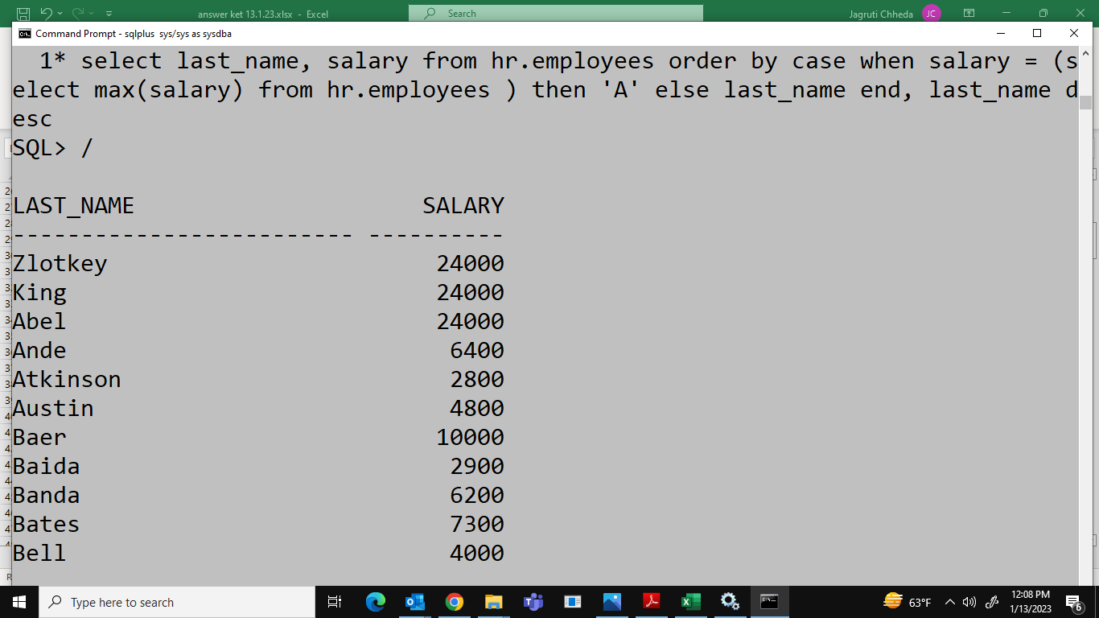
46 | CD
47 | A
48 | A
49 | B
50 | BF
51 | CE
52 | B
53 | BD
54 | CE
55 | AD
56 | BCD
57 | AEF
58 | BC
59 | BDG
60 | AB
61 | ABF
62 | A
63 | BE
64 | ACG
65 | DE
66 | D
67 | D
68 | AB
69 | BCD
70 | DF
71 | AF
72 | A
73 | C
74 | AD
75 | BE
76 | B
77 | B
78 | C
79 | AE
80 | DE
81 | CD
82 | CDF
83 | BF
84 | BD
85 | DEF
86 | B
87 | CD
88 | AC
89 | ACF
90
91 | DE
92 | DEF
93 | BCD
94 | AD
95 | BD
96 | CE
97 | AD
98 | B
99 | AD
100 | B
101 | D
102 | B
103 | D
104 | ABE
105 | D
106 | AE
107 | BD
108 | AE
109 | BCE
110 | BC
111 | A
112 | EF
113 | BD
114 | CE
115 | C
116 | DE
117 | ADE
118 | AB
119 | A
120 | AB
121 | AB
122 | C
123 | BD
124 | BE
125 | be
126 | ce
127 | CD
128 | BC
129 | A
130 | ADE
131 | AC | check
132 | BD
133 | D
134 | CD
135 | BDF
136 | CEF
137 | C
138 | AEF
139 | DEF
140 | BE

